14-16.Quantity&packaging info
14.Quantity Attributes
 | Unit | Case (kg)
Unit Drained Weight (If Product contains liquid) | N/A | N/A
Net Weight | 1 | 12
Gross Weight | 1.02 | 13.04
Is the product packed in a Protective atmosphere? (if yes, indicate the composition on gases used if applicable) |  |  |  | Yes/No | No
Is the product vacuum packed? |  |  | Yes/No | Yes/No | Yes
Primary Package Plastic Material Comply with Commission Regulation (EU) No 10/2011 |  |  | Yes/No | Yes/No | Yes
15.Packaging Weight Dimensions & Container Maxi Load
 | Material (plastic, cardbaord, glass, etc) | If plastic, indicate the plastictypes from below 01-07 | Weight (g) | Dimensions (mm)
Primary | Transparent | Plastic | 18 | L | 350
Barcode: |  |  |  | W | 220
 |  |  |  | H
Secondary | Carton | Paper | 735 | L | 430
Barcode: |  |  |  | W | 330
 |  |  |  | H | 230
Tertiary |  |  |  | L
Barcode: |  |  |  | W
 |  |  |  | H
20FCL Max Load without palletized | 797
40FCL Max Load without palletized | 1370

16.Pallet Configuration
 | UK Pallet Configuration (1.0m x 1.2m) | EU Pallet Configuration (0.8m x 1.2m)
Cases per layer | 8 | 6
Number of layers | 7 | 7
Cases/pallet | 56 | 42
Pallet height (m) | 1.75 | 1.75
Pallet weight (kg) | 728.0 | 546.0
Pallet Top-View | 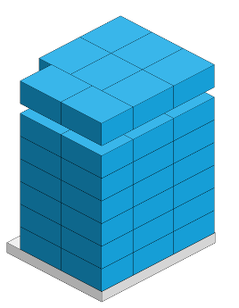 | 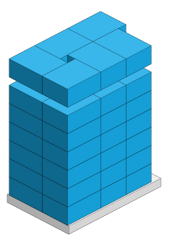 |  |  |  | \v
Pallet coverage | Surface usage: 94.6% Volume usage: 87% | Surface usage: 88.7% Volume usage: 81.6%
*pallet height must lower than 1.75m & gross weight under 1000kg

17-20.HACCP,Artwork&SpecAuthor.
17.Process Flow Chart- (showing all CCPs)
Please provide in the form a Critical Control Point (CCP), a description of the process/packing operations including processing times tempuratures where applicable and in process Safery Control Checks (CCP Summary) and Quality Checks.
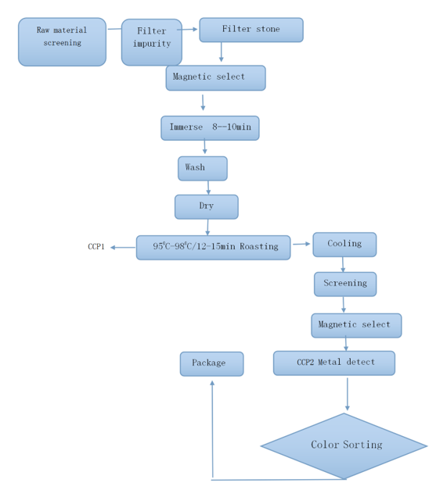

CCP | Control Measure |  | Critical Limit | Monitoring Frequency
Metal-detector | check： test piece |  | No metal exist FE ≤0.8mm SUS ≤1.5mm NON FE≤2.0mm | Before and after work, every 2 hours during work

19.Artwork
Inner Label / Package Design artwork |  | Outer Label / Package Design artwork
N/A |  | 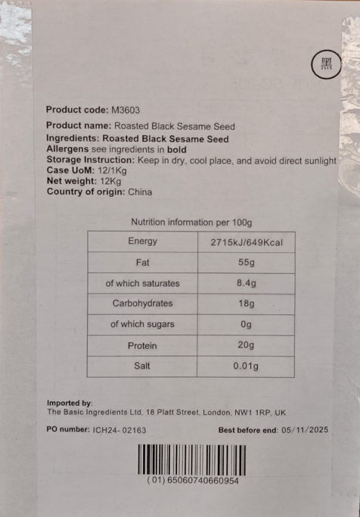

20.Packaging Photos
Finished Product with Primary package | Outer Case (Secondary) |  | Tertiary
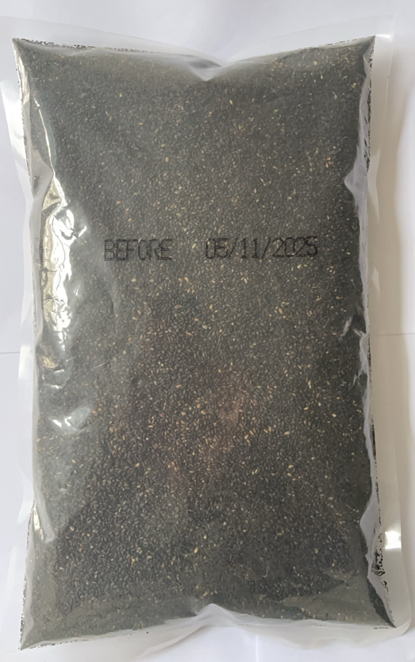 | 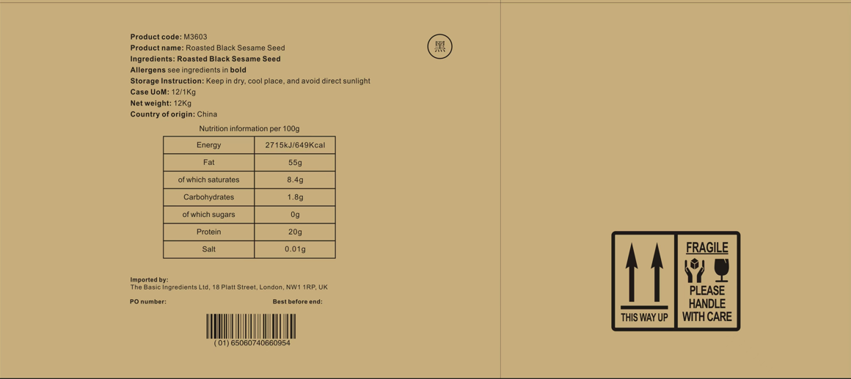 |  | N/A
Specification Authorization
1.Product to be supplied in accordance with this agreed specification. No changes are to be made without prior knowledge and prior written agreement of The Basic Ingredients Ltd. 2.The contents of this specification are confidential and should not be disclosed to a third party without a written approval of The Basic Ingredients Ltd. 3. Product must be fit for purpose of the nature and substance stated in this specification and free from foreign body. 4. The raw materials used in this product fulfil the requirements described in the Regulation 1881/2006/EC related to contaminants in foodstuffs, the Regulation 396/2005/EC related to pesticides in foodstuffs, and their amendments. 5. The product has not been treated with ionising radiation and does not contain any irradiated ingredients- Regulated under Directive 1999/2/EC and Directive 1999/3/EC. 6. This product does not contain ingredients that contain GMO or consist of GMO or were produced from GMO - Regulated under Regulation (EC) No 1829/2003, Regulation (EC) No 1830/2003, and their amendments. 7. Products to be delivered using suitable transport in the stated conditions (i.e. ambient, chilled, frozen). 8. The information on this specification can be used without reservation to advise customers with food allergies, intolerances or aversions, especially those who may die from an anaphylactic reaction to traces of ingredients. 9. All materials intended to come into contact with foods complies with European regulations: Regulation (EC) No. 1935/2004, Regulation (EC) No. 2023/2006, Regulation (EU) No. 10/2011, Directives 82/711/EEC, 85/572/EEC, 2002/72/EEC (and the relevant amendments).
Manufacturer Name | ANHUI XINMAO FOOD CO.,LTD
Signature
Print Name | Wu xuanqun
Position in Company | Sales Manager
Date | 20-Dec-24

For and on behalf of The Basic Ingredients Ltd:
Signature
Print Name | Nancy Deng
Position in Company | Technical Account Manager
Date | 2025-01-09

